Foglio1
 | Brand | Article | Fabric | Color code | Color | Barcode | Name | Category of goods | Group of goods | Gender | COUNTRY | MATERLAIE | Size | QTY | price whole sale | TOT. WH | Price retail | TOT. RT
 | BRUNO MAGLI | R00933 | 23339 | 0BLKC | BLACK | 100072363024 | STELLA | STELLA WOMEN |  | W | MADE IN ITALY | 100%LEATHER | 40 | 1 | 2,520 € | 2,520 € | 3,995 € | 3,995 €
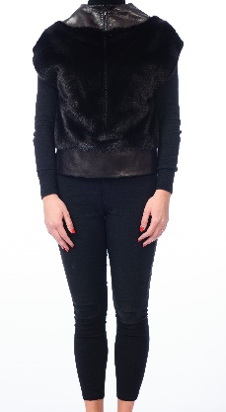 | BRUNO MAGLI | R00933 | 23339 | 0BLKC | BLACK | 100072363048 | STELLA | STELLA WOMEN |  | W | MADE IN ITALY | 100%LEATHER | 44 | 2 | 2,520 € | 5,040 € | 3,995 € | 7,990 €
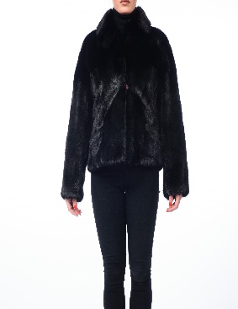
 | BRUNO MAGLI | R00914 | 23337 | 0BLKC | BLACK | 100072362881 | BATILDA | WOMEN BATILDA | JACKETS | W | MADE IN ITALY | 100%LEATHER | 38 | 1 | 5,440 € | 5,440 € | 9,995 € | 9,995 €
 | BRUNO MAGLI | R00914 | 23337 | 0BLKC | BLACK | 100072362898 | BATILDA | WOMEN BATILDA | JACKETS | W | MADE IN ITALY | 100%LEATHER | 40 | 2 | 5,440 € | 10,880 € | 9,995 € | 19,990 €
 | BRUNO MAGLI | R00914 | 23337 | 0BLKC | BLACK | 100072362904 | BATILDA | WOMEN BATILDA | JACKETS | W | MADE IN ITALY | 100%LEATHER | 42 | 2 | 5,440 € | 10,880 € | 9,995 € | 19,990 €
 | BRUNO MAGLI | R00914 | 23337 | 0BLKC | BLACK | 100072362911 | BATILDA | WOMEN BATILDA | JACKETS | W | MADE IN ITALY | 100%LEATHER | 44 | 2 | 5,440 € | 10,880 € | 9,995 € | 19,990 €
 | BRUNO MAGLI | R00932 | 23337 | 0BLKC | BLACK | 100072362966 | IRMINA | IRMINA WOMEN |  | W | MADE IN ITALY | 100% PELLE | 40 | 2 | 3,200 € | 6,400 € | 5,995 € | 11,990 €
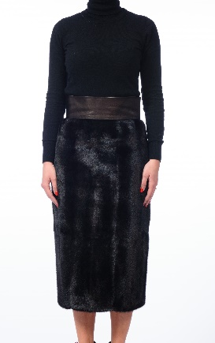 | BRUNO MAGLI | R00932 | 23337 | 0BLKC | BLACK | 100072362980 | IRMINA | IRMINA WOMEN |  | W | MADE IN ITALY | 100% PELLE | 44 | 2 | 3,200 € | 6,400 € | 5,995 € | 11,990 €
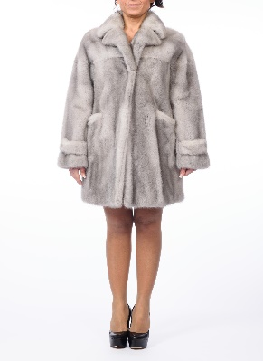
 | BRUNO MAGLI | R00867 | 22432 | 0429C | PIETRA | 100071611881 | COAT | WOMEN COAT | COATS | W | MADE IN ITALY | 100%LEATHER | 42 | 1 | 5,100 € | 5,100 € | 12,750 € | 12,750 €
 | BRUNO MAGLI | R00867 | 22432 | 0429C | PIETRA | 100071611898 | COAT | WOMEN COAT | COATS | W | MADE IN ITALY | 100%LEATHER | 44 | 1 | 5,100 € | 5,100 € | 12,750 € | 12,750 €
 | BRUNO MAGLI | R00867 | 22432 | 0429C | PIETRA | 100071611904 | COAT | WOMEN COAT | COATS | W | MADE IN ITALY | 100%LEATHER | 46 | 2 | 5,100 € | 10,200 € | 12,750 € | 25,500 €
 | BRUNO MAGLI | R00867 | 22432 | 0429C | PIETRA | 100071611911 | COAT | WOMEN COAT | COATS | W | MADE IN ITALY | 100%LEATHER | 48 | 1 | 5,100 € | 5,100 € | 12,750 € | 12,750 €

 |  |  |  |  |  |  |  |  |  |  |  |  |  | 19 |  | 83,940 € |  | 169,680.00 €

